Rubric
If you cannot take a measurement LEAVE THE CELL EMPTY, do not put a zero
All floral measurements should be made when the flower is in full anthesis!
Species | Copy from folder, and evaluate petioles
Barcode | Copy and paste from the file name
State | Enter from the specimen label (the file name may have the wrong state)
Variegation | Use duplicate measurements if leaves differ in score. (compare to sheets of different variegation levels)
Long petiole hair | Length of the longest petiole hait (exclude most distal ⅓ of petiole)
Short petiole hair | Length of the shortest petiole hair (exclude most distal ⅓ of petiole)
Upper lamina hair | Length of longest hair on the upper laminar surface of leaf
Tooth length | Length of apical tooth of second primary lobe on either side from tip to the point level with the sinuses on either side (of the largest mature leaves)
Tooth width | Width of apical tooth of second primary lobe on either side (of the largest mature leaves)
Flower length | From where the pedicel meets the ovary to the tip of the furthest sepal (full anthesis)
Hypanthium long | From the most distal sepal sinus of a flower to where the hypanthium is attached to the ovary on the same side of the flower (full anthesis)
Hypanthium short | From the most proximal sepal sinus of a flower to where the hypanthium is attached to the ovary on the same side of the flower (full anthesis)
Flower width | Across the point where the hypanthium meets the ovary (full anthesis)
Stamen length | (longest) past the sepal *tips*, including anther
Style length | (longest) past the sepal *tips*
Pedicel lengths | The node from which they are attached to where they meet the ovary (bottom 3 of flowers in full anthesis if possible)
Cymule branches | From where they met the main axis of the thyrse to the first branching node of the cymule (bottom 3)
Thyrse length | From where the main axis of the inflorescence arises from the caudex, to the point where the pedicel meets the ovary of the most distal apical flower (3 if possible)
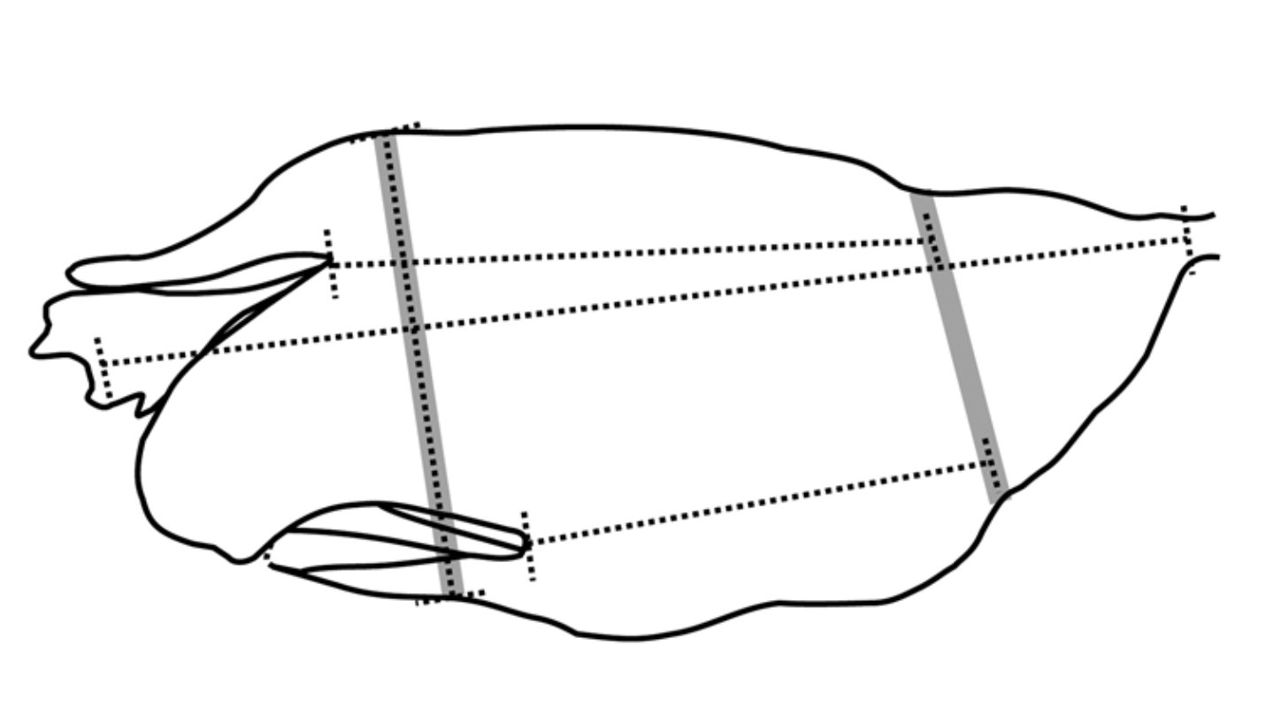
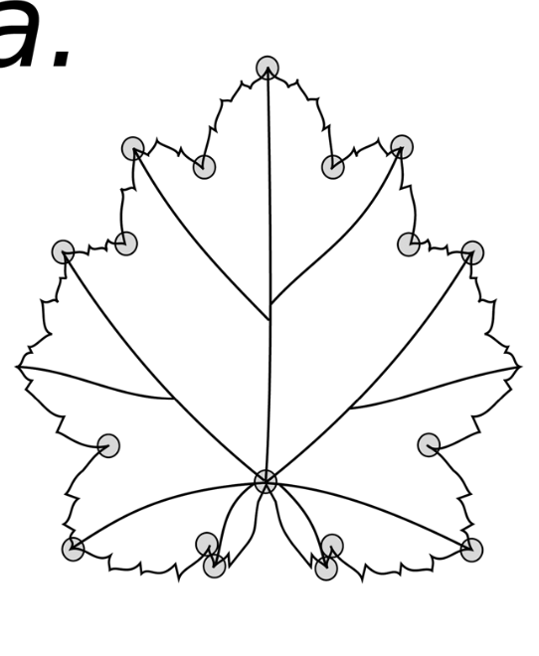
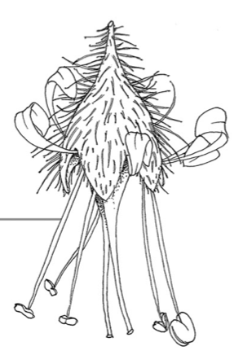
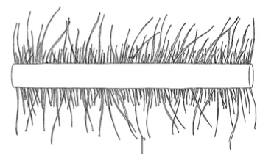

Scale: the bottom of the envelope is 57.2 mm

